2019 Placement Rates
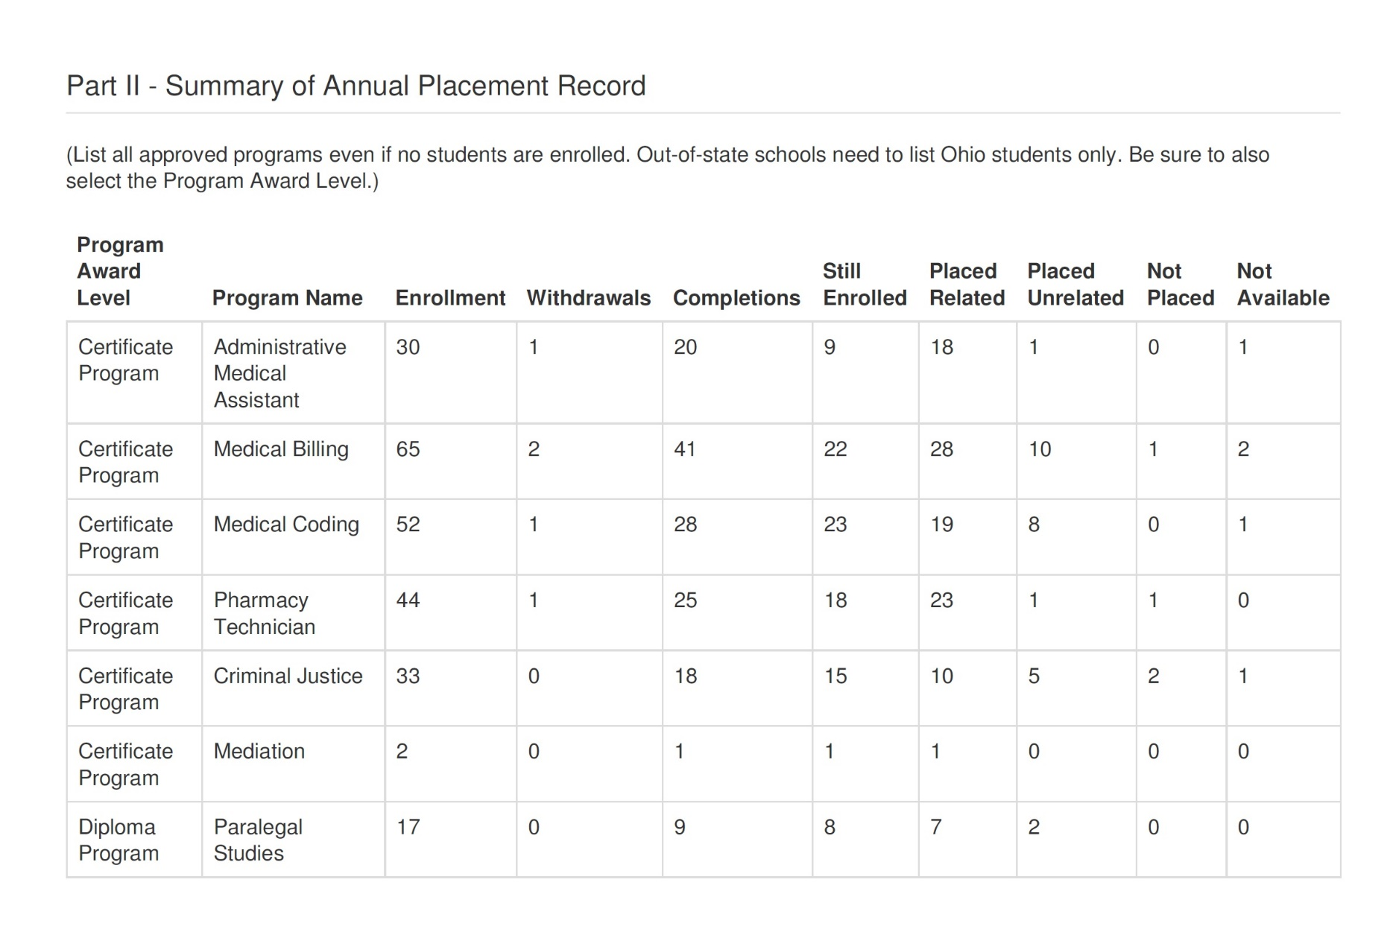

67%

63%

54%

57%

55%

50%

53%

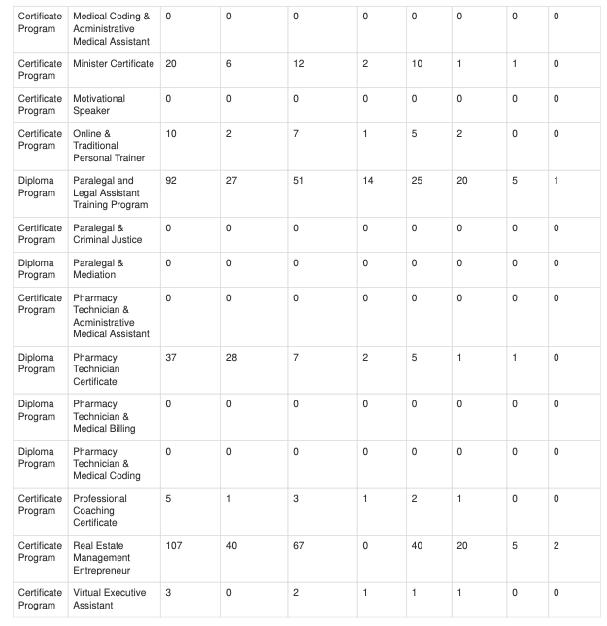

55%

70%

49%

16%

60%

56%

66%

