2019 Placement Rates
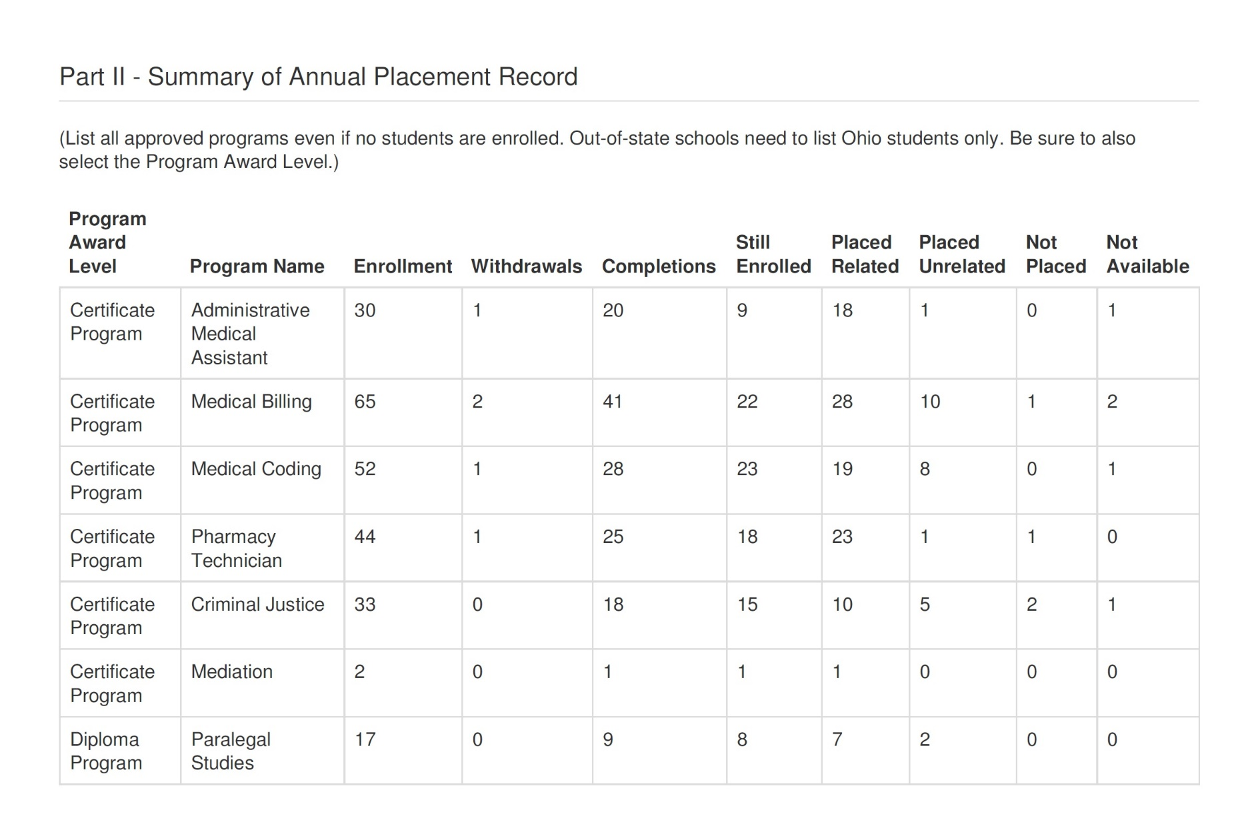

67%

63%

54%

57%

55%

50%

53%

